1
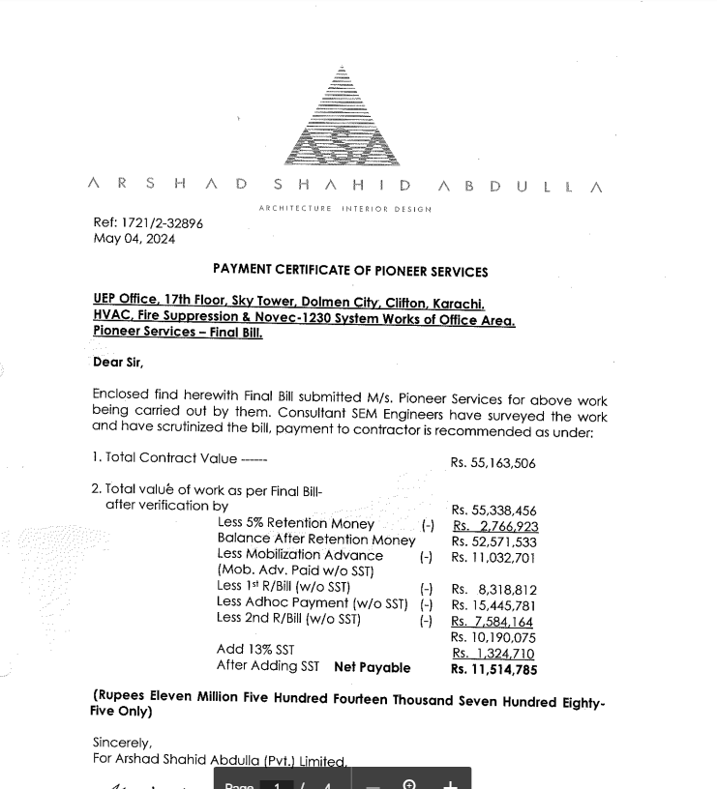

SERVICE SALES TAX INVOICE

 |  |  | Dated: 06-05-2024
 |  |  | Invoice # 1038

 |  |  | Client
Name | PIONEER SERVICES |  | Name | M/S ARSHAD SHAHID ABDULLA (PRIVATE) LIMITED
Address | 2-C 1st Floor Sunset Lane I phase II EXT DHA Karachi |  | Address | Ground Floor, Central Hotel Building, Merewether Rd, Civil Lines, Karachi, Karachi
Contact | 021 35881523 02135890307 |  | Contact
SNTN # | S4312149-7 |  | SNTN # | S0709706-9

S. # | DESCRIPTION OF SERVICES | Value Excluding Sales Tax | RATE | Sales Tax Payable | Value Including Sales Tax

1 | HVAC, Fire Suppression & NOVEC 1230 System Works – UEP Office Block 17th Floor – Sky Tower – B Dolmen City, Clifton Karachi. | 10,190,075 | 13% | 1,324,710 | 11,514,785

 |  |  |  |  |  |  | 20,962,132
 |  |  |  |  |  | Less labour 30% | 6,288,640
 |  |  |  |  |  |  | 14,673,492
 |  |  |  |  |  | Claimable 70% | 10,271,445
 |  |  |  |  |  | Actual claimed | 7,998,800
 |  |  |  |  |  | Add GST 18% | 1,439,784 |  |  | 11,514,785
 | Total Amount Rs | 10,190,075 |  | 1,324,710 | 11,514,785 | Add FGST 4% | 319,952
 |  |  |  |  |  | Gross | 9,758,536 | Tax | 8% | 921,183

 |  |  |  |  |  | SRB adjustment working |  | SST | 20% | 264,942

 |  |  |  |  |  |  | 7,998,800 |  |  | 10,328,660
 |  |  |  |  |  | 13% can be claimed | 1,039,844

 |  |  |  |  |  | SST amount on Invoice | 1,324,710
 |  |  |  |  |  | Less Clamable | 1,039,844
 |  |  |  |  |  | Will be paid | 284,866

